Takeoffs
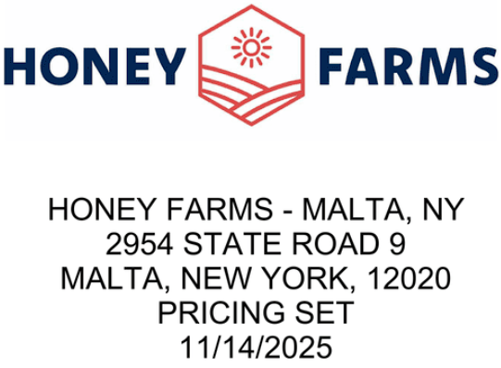
Honey Farms - Malta, NY - Interior Paint | Qty | Units | Wall Height | Wall Area | Cost Each | Cost Total | Markup % | Markup Total | Price Total
Doors - HM Frames (only) | 2 | EA |  |  | $75.00 | $150.00 | 8.0% | $12.00 | $162.00
Doors - HM Frames HM Panels | 6 | EA |  |  | $225.00 | $1,350.00 | 8.0% | $108.00 | $1,458.00
Excluded - WB-02 - Base - Tommy Tile Design Hexagon - 8x8 Smooth Natural - Clear Matte Seal | 108.59 | FT |  |  | $- | $- | 8.0% | $- | $-
Gyp. Ceilings - Paint | 1029.4 | SF |  |  | $1.50 | $1,544.10 | 8.0% | $123.53 | $1,667.63
Gyp. SF - PT-01 | 1258.03 | SF |  |  | $1.50 | $1,887.05 | 8.0% | $150.96 | $2,038.01
Gyp. SF - PT-02 | 190.05 | SF |  |  | $1.50 | $285.08 | 8.0% | $22.81 | $307.88
Gyp. Soffit - 3'-0" | 42.53 | FT | 3 | 127.59 | $1.50 | $191.39 | 8.0% | $15.31 | $206.70
Gyp. Walls - 5'-6" | 54.5 | FT | 5.5 | 299.75 | $1.50 | $449.63 | 8.0% | $35.97 | $485.60
Gyp. Walls - 8' | 29.87 | FT | 8 | 238.96 | $1.50 | $358.44 | 8.0% | $28.68 | $387.12
Gyp. Walls - 9' | 144.9 | FT | 9 | 1304.1 | $1.50 | $1,956.15 | 8.0% | $156.49 | $2,112.64
Gyp. Walls - 9' - Prime Coat | 80.46 | FT | 9 | 724.14 | $1.00 | $724.14 | 8.0% | $57.93 | $782.07
Gyp. Walls - 10' | 34.39 | FT | 10 | 343.9 | $1.50 | $515.85 | 8.0% | $41.27 | $557.12
Gyp. Walls - 11' | 6.01 | FT | 11 | 66.11 | $1.50 | $99.16 | 8.0% | $7.93 | $107.10
WD-01 - Linear - 2x2 Milled Wood Members Over Birch Ply - White Oak - Clear Matte Seal | 21 | FT |  |  | $- | $- | 8.0% | $- | $- | remove from scope (previously $2/lf) |  | $28,564.13
WD-01 - SF - 2x2 Milled Wood Members Over Birch Ply - White Oak - Clear Matte Seal | 110 | SF |  |  | $- | $- | 8.0% | $- | $- | remove from scope (previously $2/sf)
Cooler Wall - Paint using pre-cat epoxy (excludes electrostatic painting) | 154.29 | SF |  |  | $3.50 | $540.02 | 8.0% | $43.20 | $583.22 | this ends up being 5.50 per SF, since wall takeoff was taken on these same areas
FTPRNT | 4,891.00 |  |  |  |  | $/SF: | $2.22 |  | $10,855.07

Honey Farms - Malta, NY - Exterior Paint | Qty | Units | Wall Height | Wall Area | Cost Each | Cost Total | Markup % | Markup Total | Price Total
Exterior Lift Rental | 1 | EA |  |  | $2,900.00 | $2,900.00 | 8.0% | $232.00 | $3,132.00 |  | Interior Labor: | $9,552.46 | 88%
PT-01 - Exterior Hardie Trim - Painted PT-01 - OC-117 | 868.56 | FT |  |  | $2.50 | $2,171.40 | 8.0% | $173.71 | $2,345.11 |  | Interior Materials: | $1,302.61 | 12%
PT-01 - Galvanized Guard - Paint PT-01 - OC-117 | 9 | EA |  |  | $85.00 | $765.00 | 8.0% | $61.20 | $826.20
SD-01 - Siding: V-Groove exterior siding painted to match PT-01 - OC-117 | 3176.48 | SF |  |  | $2.20 | $6,988.26 | 8.0% | $559.06 | $7,547.32 |  | Exterior Labor: | $12,536.27 | 86%
SD-02 - Siding - V-Groove exterior siding painted to match PT-02 - CSP-690 | 737.94 | SF |  |  | $2.20 | $1,623.47 | 8.0% | $129.88 | $1,753.35 |  | Exterior Materials: | $2,040.79 | 14%
SD-03 - Soffit Panels: Hardie - Painted to match PT-01 - OC-117 (Copy) | 290.12 | FT |  |  | $5.00 | $1,450.60 | 8.0% | $116.05 | $1,566.65 |  | Equipment Rental: | $3,132.00
WD-03 - Underside of Soffit - Longboard - V-Groove Planks - Dark Cherry - clear seal? | 110.79 | FT | 2 | 221.58 | $2.25 | $498.56 | 8.0% | $39.88 | $538.44
 |  |  |  |  |  |  |  |  | $14,577.06 |  | Labor: | $22,088.73
 |  |  |  |  |  |  |  |  | $17,709.06 |  | Materials: | $3,343.40
 |  |  |  |  |  |  |  |  |  |  | Equipment Rental: | $3,132.00

20. PAINT EXPOSED INDOOR WATER PIPING IN FINISHED SPACES. COORDINATE PAINT AND COLOR WITH THE
ARCHITECT AND 1 OR OWNER.

Painting Scope
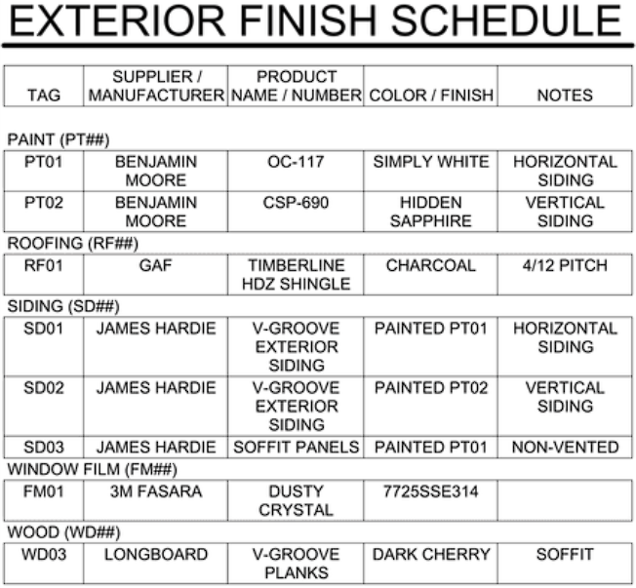
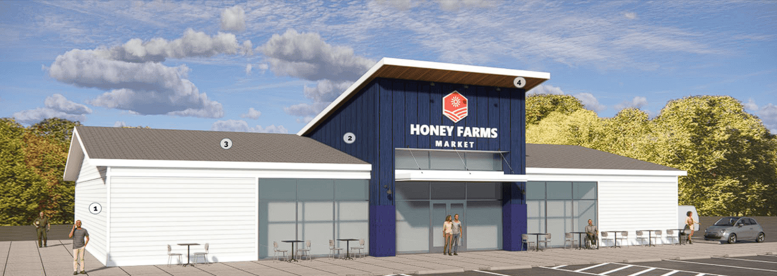
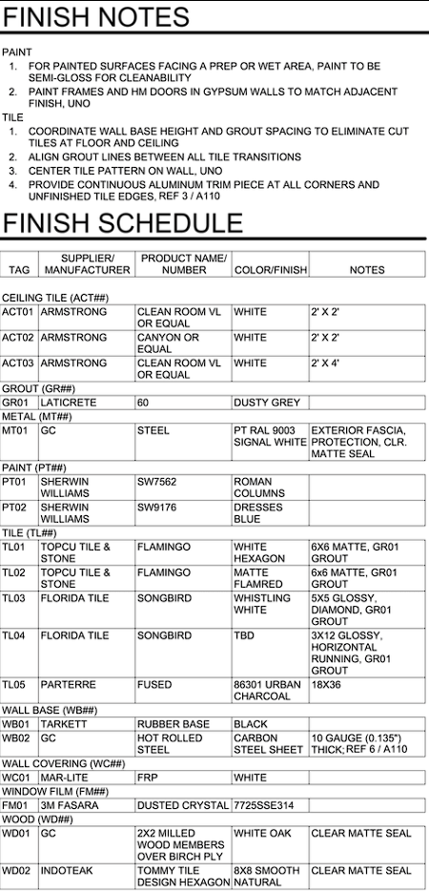
Notes:
Excludes: Paintingvia Hydrostatic process
Interior Painting Scope:
Key details from the documents include:
• PT01: Applied to most walls, including areas around cooler panels and air curtains, as indicated on the FINISH PLAN AND PARTITION DETAILS (A101) and INTERIOR ELEVATIONS (A402).
• PT02: Also appears on some interior elevations, but its specific type and color are not explicitly detailed in the provided finish schedules.
• Specialty Paint: “CLEAN ROOM VL WHITE OR EQUAL” with a semi-gloss finish is mandatory for painted surfaces in prep or wet areas.
• Other Finishes:
• Columns: Designated with color codes “RAL 9003 EXTERIOR FAS ON CLR” and “SW9176 (TOPCU TILE & FLAMINGO)”. These are color callouts for the columns, which may or may not be paint.
• Frames and Hollow Metal Doors in Gypsum Walls: To be finished to match adjacent surfaces, implying they will be painted to blend in.
• Break Metal: To be finished to match adjacent cooler surfaces.

